Plugging Camaro RS Spoilers
 |  | Visual Aid |  |  | Process Information
 |  | Created By: A Thummeti | Date Created: | 2020-06-22 | Customer Name: Mitchell Plastics
Product Line: 101 / 103 |  | Revised By: | Date Revised: |  | Part Name : Camaro Door Trims
Operation : Inspection |  | Approved by: Mohan S |  |  | Part Number: Various
Equipment Name: N/A |  |  |  |  | Part Revision: 001
 |  |  |  |  | Document # : 8.5.2.42

Review Parts at approximate vehicle position and at approximate distance of 600 mm from observer under appropriate lighting conditions

 | DEFECT |  | ZONE A
 | DIRT |  | Up to 4, ≤1 mm size all seperated by 100 mm
 | SCRATCHES |  | None
 | DRY SPRAY |  | Not allowed
 | ORANGE PEEL |  | Min. 7 using ACT Panel
 | FAT EDGES |  | Not Allowed
 | CRATERS / FISHEYES |  | None
 | PINHOLES/POPPING |  | None
 | BULLSEYES |  | None
 | PAINT DROPS |  | None
 | DINGS/DENT/BUMPS |  | None
 | PITS / POROSITY |  | None
 | WATER SPOTS, BLISTERS |  | None
 | SANDING MARKS / OVERSPRAY |  | None
 | WIPE MARKS |  | None


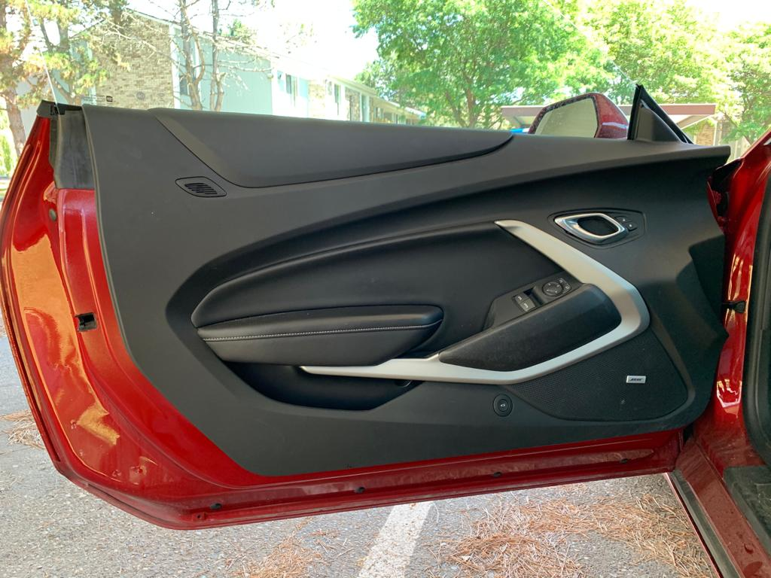
Chevrolet Camaro
Camaro Door Trim - Vehicle Position

